Links
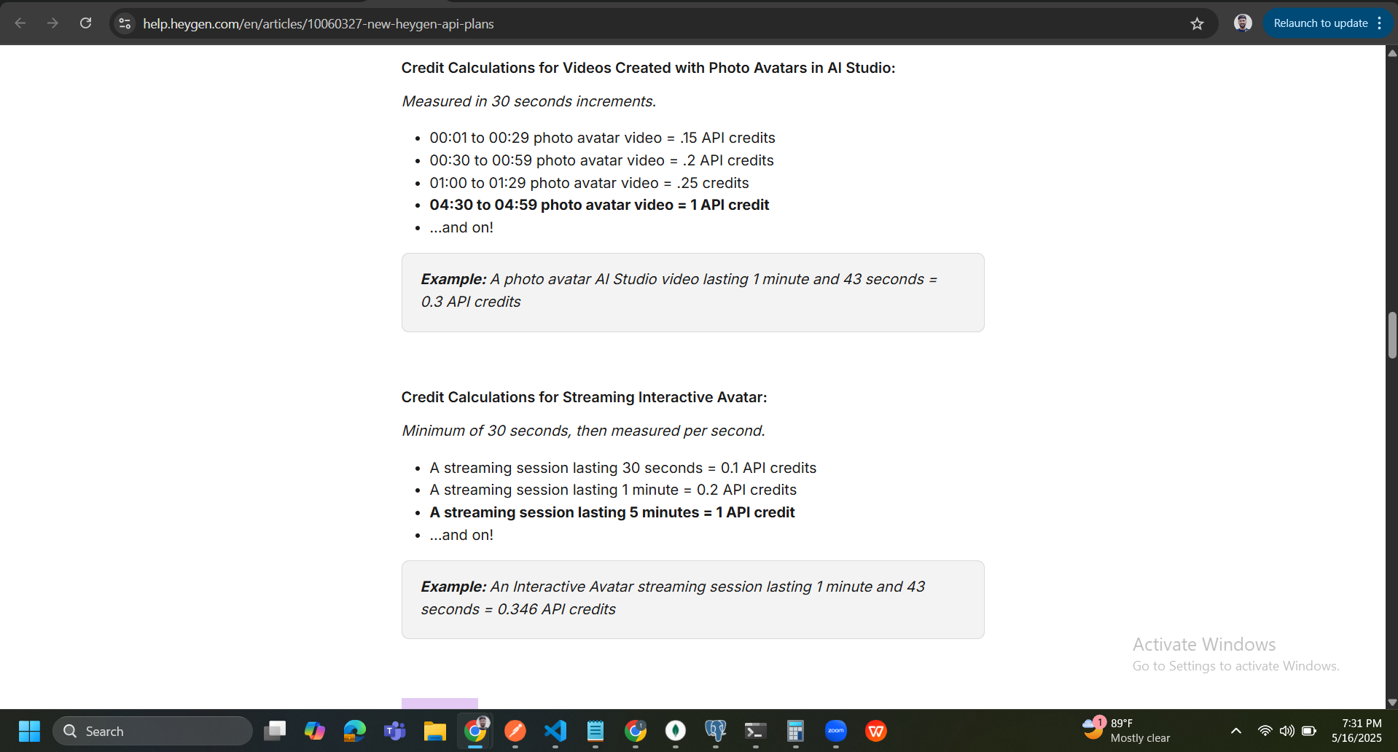
Component Plans | Links
HeyGen invoices | https://billing.stripe.com/p/session/live_YWNjdF8xTE5oM0RESXZITnI1d2ZDLF9TSVVab3FoNFhaQ2s5Zk16RElaUElYTW1vV2dZUmNq0100HYzj0dKU
HEyGen Pricing Plans | https://www.heygen.com/api-pricing https://help.heygen.com/en/articles/10060327-new-heygen-api-plans
Deepgram Pricing Plans (Streaming) | https://deepgram.com/pricing
Elevenlabs Pricing Plans | https://elevenlabs.io/sv/pricing?utm_source=google&utm_medium=cpc&utm_campaign=india_brandsearch_brand_english&utm_id=22349493305&utm_term=eleven+ai+voice&utm_content=brand_-_semi-brand&gad_source=1&gad_campaignid=22349493305&gbraid=0AAAAAp9ksTFyuIaX9etfH

